Arkusz1
 |  |  |  | PRS | 40 | 41 | 42 | 43 | 44 | 45 | 46 | CTNS
Code |  | Photo |  | TOTAL QTY
UMM513002 | 2041 | 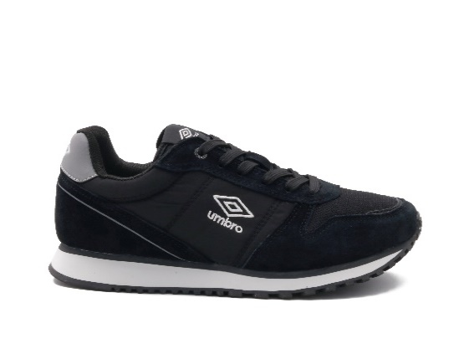 | A12 | 156 | 1 | 2 | 3 | 3 | 2 | 1 |  | 13
 |  |  | B12 | 108 |  | 1 | 2 | 3 | 3 | 2 | 1 | 9
UMM513002 | 3251 | 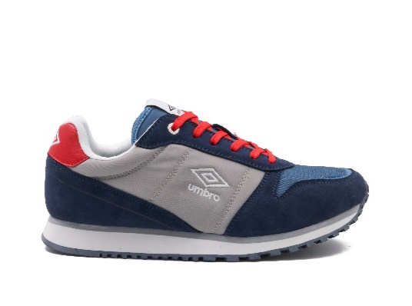 | A12 | 144 | 1 | 2 | 3 | 3 | 2 | 1 |  | 12
 |  |  | B12 | 108 |  | 1 | 2 | 3 | 3 | 2 | 1 | 9
UMM513002 | 7110 | 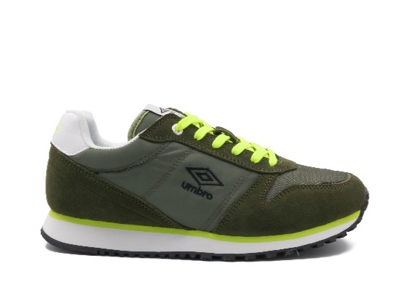 | A12 | 144 | 1 | 2 | 3 | 3 | 2 | 1 |  | 12
 |  |  | B12 | 120 |  | 1 | 2 | 3 | 3 | 2 | 1 | 10
UMM513002 | 4020 | 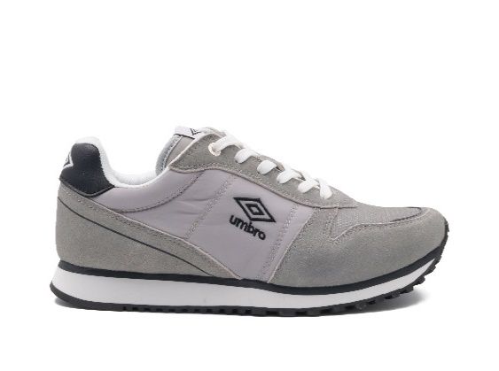 | B12 | 180 |  | 1 | 2 | 3 | 3 | 2 | 1 | 15
 |  |  | A12 | 192 | 1 | 2 | 3 | 3 | 2 | 1 |  | 16
UMM513002 | 1040 | 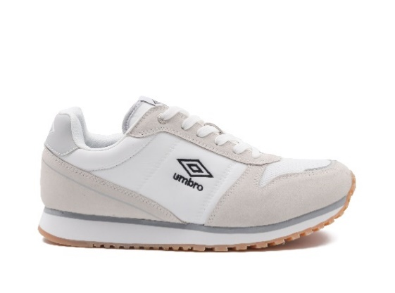 | B12 | 204 |  | 1 | 2 | 3 | 3 | 2 | 1 | 17
 |  |  | A12 | 228 | 1 | 2 | 3 | 3 | 2 | 1 |  | 19
UMM513200 | 6041 | 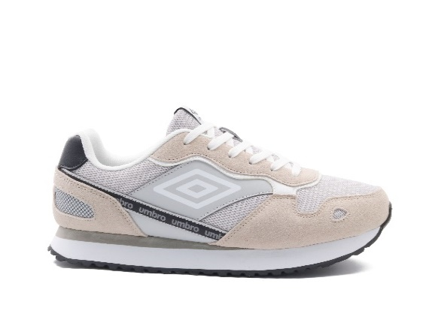 | B12 | 72 |  | 1 | 2 | 3 | 3 | 2 | 1 | 6
UMM513200 | 7170 | 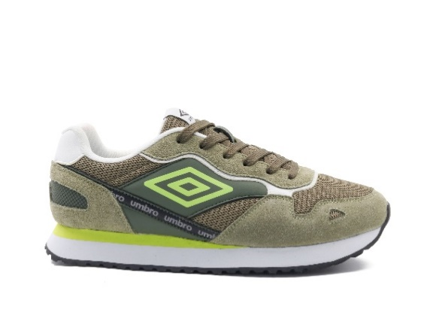 | B12 | 84 |  | 1 | 2 | 3 | 3 | 2 | 1 | 7
 |  |  | A12 | 96 | 1 | 2 | 3 | 3 | 2 | 1 |  | 8
UMM513200 | 2010 | 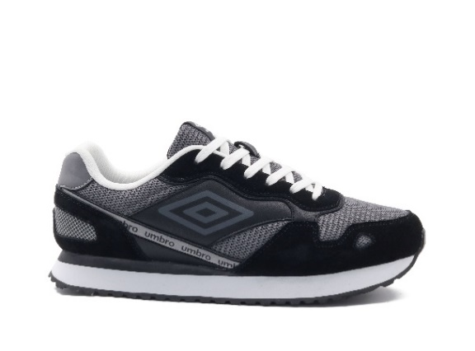 | A12 | 252 | 1 | 2 | 3 | 3 | 2 | 1 |  | 21
 |  |  | B12 | 108 |  | 1 | 2 | 3 | 3 | 2 | 1 | 9
UMM513200 | 1051 | 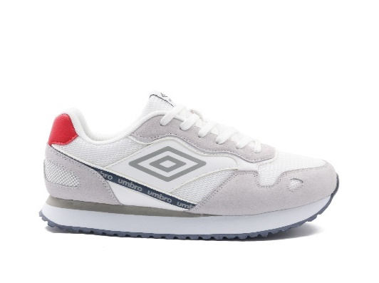 | B12 | 144 |  | 1 | 2 | 3 | 3 | 2 | 1 | 12
 |  |  | A12 | 168 | 1 | 2 | 3 | 3 | 2 | 1 |  | 14
UMM513200 | 6041 |  | A12 | 216 | 1 | 2 | 3 | 3 | 2 | 1 |  | 18
UMM514001 | 1011 | 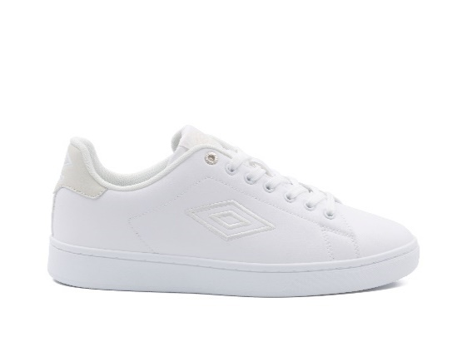 | A12 | 156 | 1 | 2 | 3 | 3 | 2 | 1 |  | 13
 |  |  | B12 | 48 |  | 1 | 2 | 3 | 3 | 2 | 1 | 4
UMM514001 | 2010 | 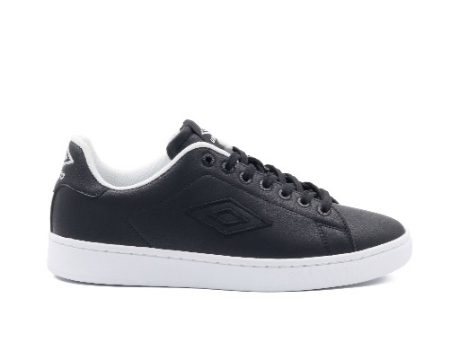 | A12 | 108 | 1 | 2 | 3 | 3 | 2 | 1 |  | 9
 |  |  | B12 | 108 |  | 1 | 2 | 3 | 3 | 2 | 1 | 9
UMM514001 | 1032 | #N/A | B12 | 156 |  | 1 | 2 | 3 | 3 | 2 | 1 | 13
UMM514001 | 3210 | 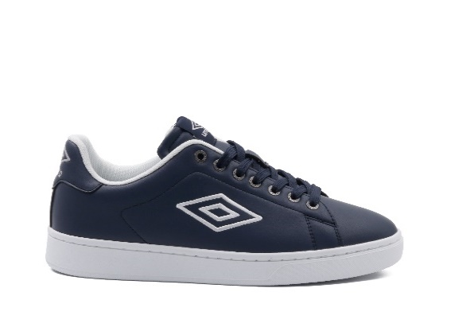 | A12 | 156 | 1 | 2 | 3 | 3 | 2 | 1 |  | 13
 |  |  | B12 | 168 |  | 1 | 2 | 3 | 3 | 2 | 1 | 14
UMM514022 | 1032 | 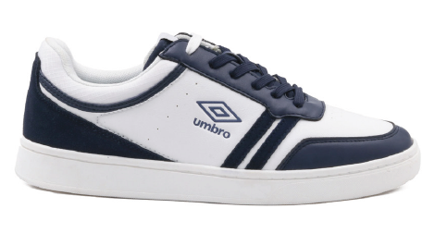 | A12 | 180 | 1 | 2 | 3 | 3 | 2 | 1 |  | 15
 |  |  | B12 | 144 |  | 1 | 2 | 3 | 3 | 2 | 1 | 12
UMM514022 | 1051 | 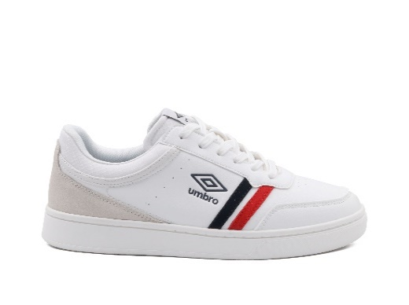 | A12 | 192 | 1 | 2 | 3 | 3 | 2 | 1 |  | 16
 |  |  | B12 | 144 |  | 1 | 2 | 3 | 3 | 2 | 1 | 12
UMM514022 | 2010 | 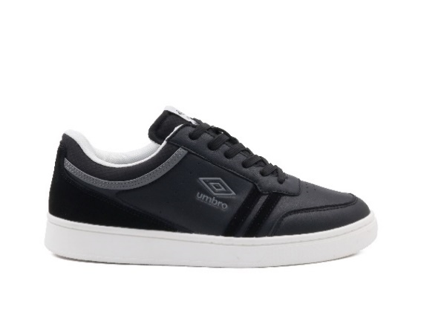 | A12 | 348 | 1 | 2 | 3 | 3 | 2 | 1 |  | 29
UMM516400 | 2020 | 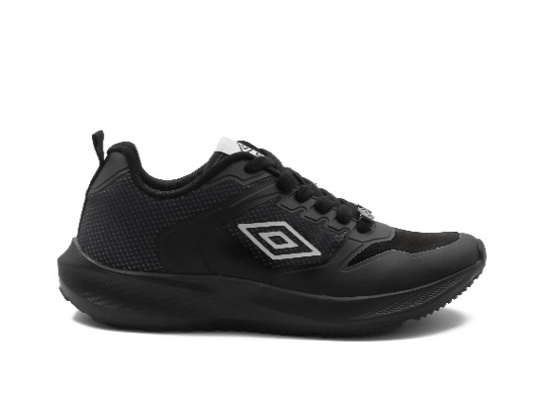 | B12 | 48 |  | 1 | 2 | 3 | 3 | 2 | 1 | 4
 |  |  | A12 | 60 | 1 | 2 | 3 | 3 | 2 | 1 |  | 5
UMM516400 | 4241 | 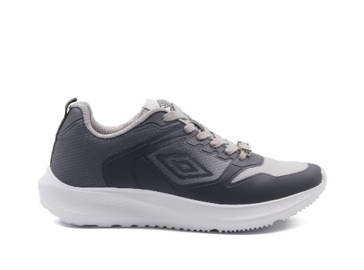 | A12 | 96 | 1 | 2 | 3 | 3 | 2 | 1 |  | 8
 |  |  | B12 | 120 |  | 1 | 2 | 3 | 3 | 2 | 1 | 10
UMM516400 | 1010 | 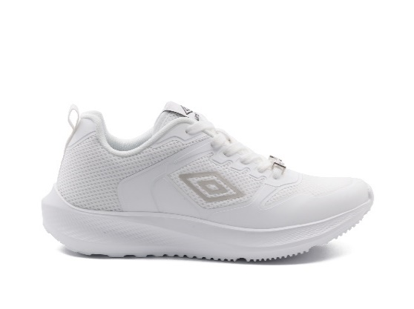 | A12 | 108 | 1 | 2 | 3 | 3 | 2 | 1 |  | 9
 |  |  | B12 | 120 |  | 1 | 2 | 3 | 3 | 2 | 1 | 10
UMM517510 | 1020 | 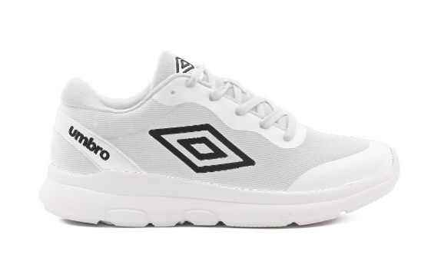 | A12 | 120 | 1 | 2 | 3 | 3 | 2 | 1 |  | 10
 |  |  | B12 | 120 |  | 1 | 2 | 3 | 3 | 2 | 1 | 10
UMM517510 | 4141 | 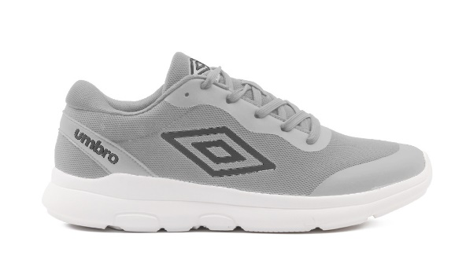 | A12 | 120 | 1 | 2 | 3 | 3 | 2 | 1 |  | 10
 |  |  | B12 | 132 |  | 1 | 2 | 3 | 3 | 2 | 1 | 11
UMM517510 | 2020 | 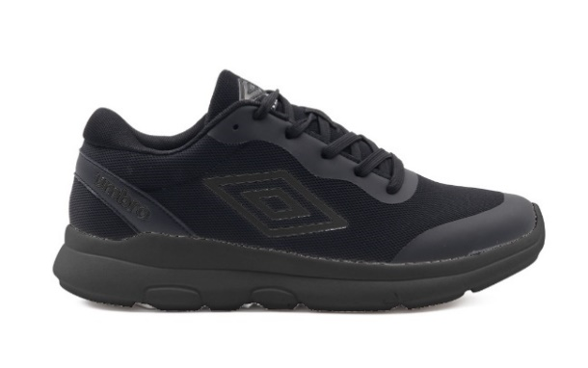 | A12 | 132 | 1 | 2 | 3 | 3 | 2 | 1 |  | 11
 |  |  | B12 | 156 |  | 1 | 2 | 3 | 3 | 2 | 1 | 13
UMM517510 | 3251 | 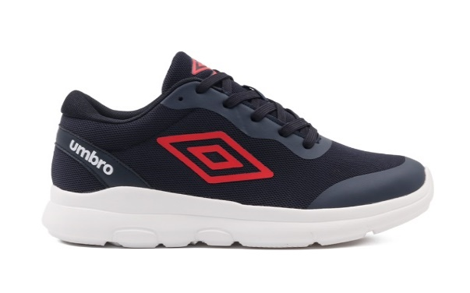 | A12 | 192 | 1 | 2 | 3 | 3 | 2 | 1 |  | 16
 |  |  | B12 | 192 |  | 1 | 2 | 3 | 3 | 2 | 1 | 16
UMM517510 | 1010 | 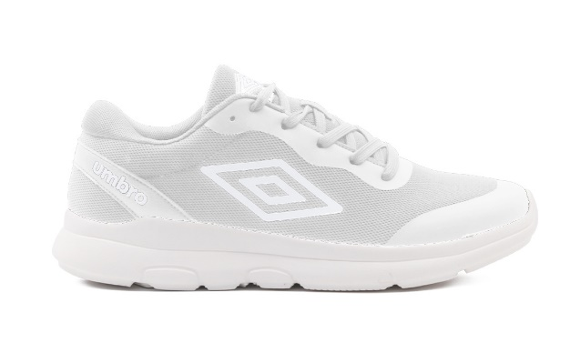 | A12 | 240 | 1 | 2 | 3 | 3 | 2 | 1 |  | 20
UMM518100 | 1032 | 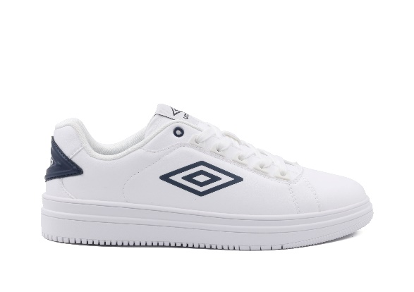 | A12 | 132 | 1 | 2 | 3 | 3 | 2 | 1 |  | 11
 |  |  | B12 | 36 |  | 1 | 2 | 3 | 3 | 2 | 1 | 3
UMM518100 | 2051 | 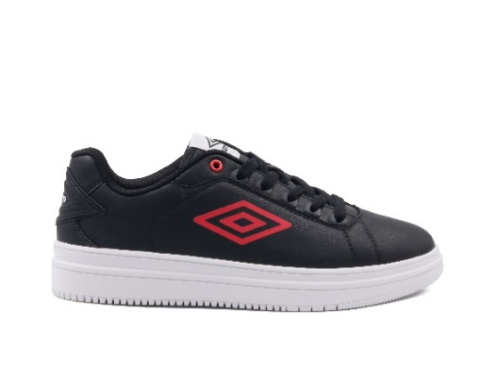 | B12 | 72 |  | 1 | 2 | 3 | 3 | 2 | 1 | 6
 |  |  | A12 | 96 | 1 | 2 | 3 | 3 | 2 | 1 |  | 8
UMM518100 | 1031 | 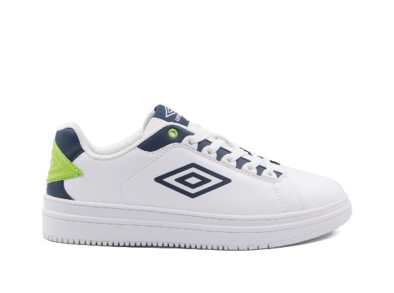 | A12 | 420 | 1 | 2 | 3 | 3 | 2 | 1 |  | 35
UMM518400 | 1020 | 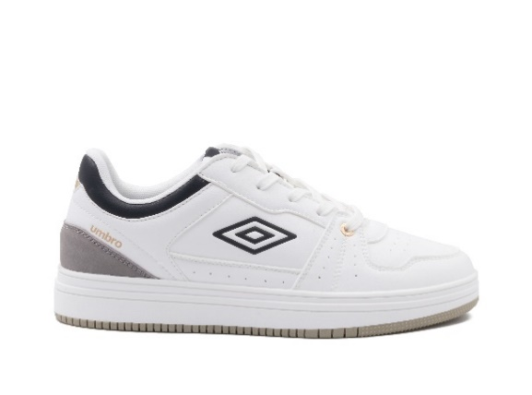 | A12 | 36 | 1 | 2 | 3 | 3 | 2 | 1 |  | 3
 |  |  | B12 | 132 |  | 1 | 2 | 3 | 3 | 2 | 1 | 11
UMM518400 | 2010 | 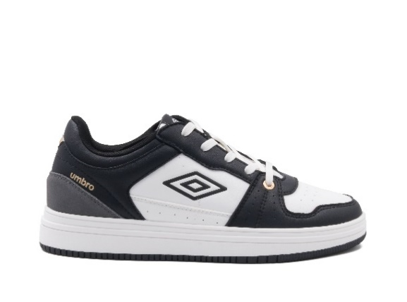 | A12 | 132 | 1 | 2 | 3 | 3 | 2 | 1 |  | 11
 |  |  | B12 | 108 |  | 1 | 2 | 3 | 3 | 2 | 1 | 9
UMM518400 | 4120 | 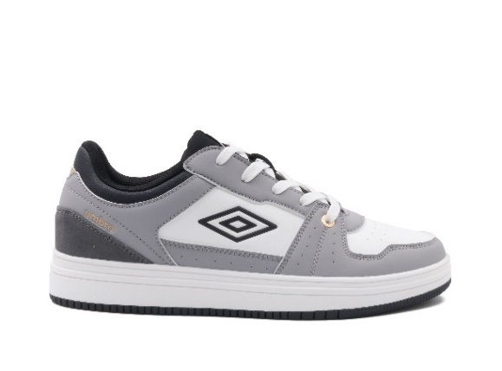 | A12 | 144 | 1 | 2 | 3 | 3 | 2 | 1 |  | 12
 |  |  | B12 | 204 |  | 1 | 2 | 3 | 3 | 2 | 1 | 17

 |  |  |  | 8100

